FW25
 |  |  |  |  |  |  |  |  |  |  |  |  |  |  |  |  |  |  |  |  |  |  |  |  | 1412
GENDER | IMAGE | ITEM CODE | ITEM DESCRIPTION | COLOUR CODE | COLOUR DESCRIPTION | RRP | WHS | 5 | 5.5 | 6 | 6.5 | 7 | 7.5 | 8 | 8.5 | 9 | 9.5 | 10 | 10.5 | 11 | 11.5 | 12 | 12.5 | 13 | LIFESTYLE
 |  |  |  |  |  |  |  | 37.5 | 38 | 39 | 39.5 | 40 | 40.5 | 41.5 | 42 | 42.5 | 43.5 | 44 | 44.5 | 45 | 46 | 46.5 | 47 | 48
 |  |  |  |  |  |  |  | 5 | 5.5 | 6 | 6.5 | 7 | 7.5 | 8 | 8.5 | 9 | 9.5 | 10 | 10.5 | 11 | 11.5 | 12 | 12.5 | 13
 |  |  |  |  |  |  |  | 35.5 | 36 | 37 | 37.5 | 38 | 39 | 39.5 | 40 | 40.5 | 41.5 | 42 | 42.5 | 43.5 | 44 | 44.5 | 45 | 46
UNISEX | 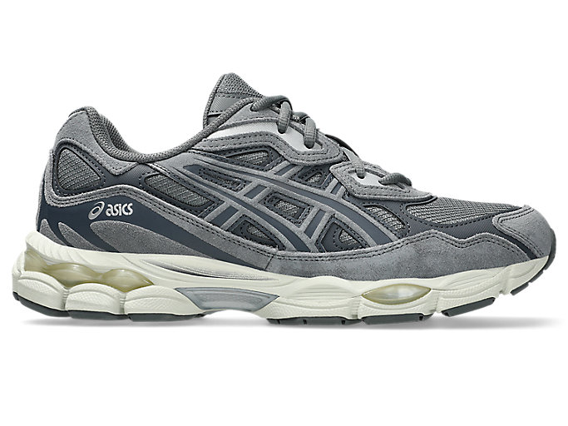 | 1203A739 | GEL-NYC | 020 | STEEL GREY/CARRIER GREY | € 160.00 | € 80.00 |  | 8 | 14 | 13 | 18 | 15 | 16 | 16 | 13 | 11 | 9 | 8 | 5 | 3 | 1 |  |  | 150
UNISEX | 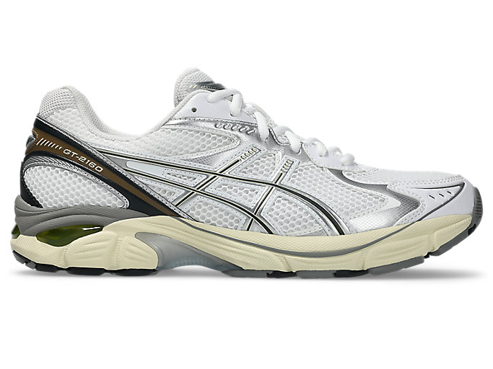 | 1203A275 | GT-2160 | 111 | WHITE/SOFT YELLOW | € 130.00 | € 65.00 |  | 6 | 10 | 6 | 16 | 12 | 12 | 20 | 16 | 18 | 16 | 8 | 6 | 4 |  |  |  | 150
WOMEN | 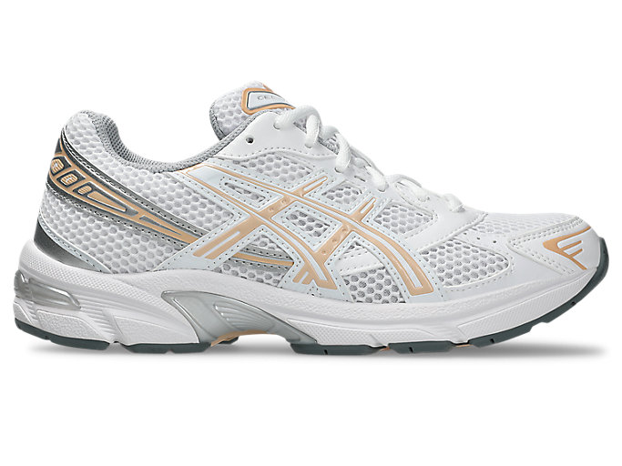 | 1202A164 | GEL-1130 | 123 | WHITE/BISQUE | € 100.00 | € 50.00 |  | 8 | 16 | 16 | 16 | 16 | 16 | 8 | 4 |  |  |  |  |  |  |  |  | 100
UNISEX |  | 1201B020 | GEL-1130 | 100 | WHITE/PURE SILVER | € 100.00 | € 50.00 | 2 | 5 | 10 | 8 | 15 | 10 | 10 | 10 | 8 | 8 | 5 | 3 | 3 | 1 | 1 | 1 |  | 100
UNISEX | 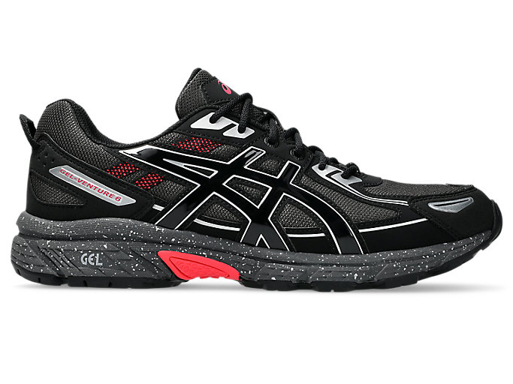 | 1203A438 | GEL-VENTURE 6 | 027 | OBSIDIAN GREY/BLACK | € 100.00 | € 50.00 |  | 1 | 2 | 4 | 6 | 6 | 8 | 8 | 8 | 6 | 4 | 4 | 2 | 1 |  |  |  | 60
UNISEX | 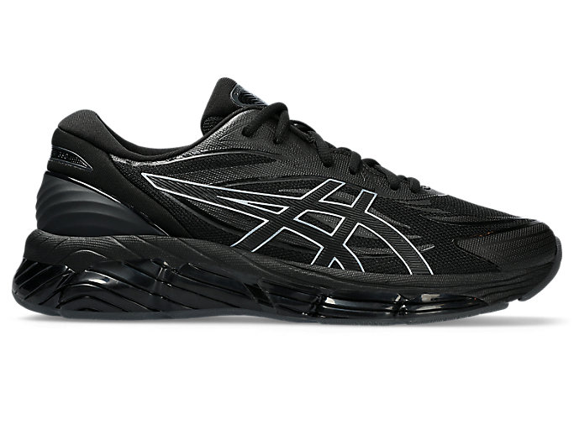 | 1203A305 | GEL-QUANTUM 360 VIII | 001 | BLACK/BLACK | € 180.00 | € 90.00 |  | 2 | 4 | 8 | 12 | 12 | 12 | 12 | 12 | 12 | 8 | 4 | 2 | 0 |  |  |  | 100
MEN | 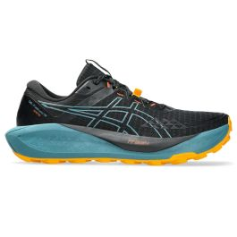 | 1011B978 | GEL-TRABUCO 13 GTX | 003 | BLACK/WHISPER GREEN | 170.00 € | 85.00 € |  |  |  |  |  |  |  | 15 | 15 | 30 | 30 | 15 | 15 | 15 | 15 |  |  | 150
MEN | 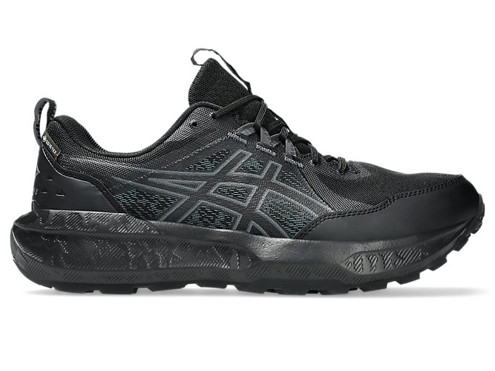 | 1011B977 | GEL-SONOMA 8 GTX | 002 | BLACK/CARRIER GREY | 120.00 € | 60.00 € |  |  |  |  |  |  |  | 15 | 15 | 30 | 30 | 15 | 15 | 15 | 15 |  |  | 150
MEN |  | 1011B977 | GEL-SONOMA 8 GTX | 003 | BLACK/DARK COBALT | 120.00 € | 60.00 € |  |  |  |  |  |  |  | 15 | 15 | 30 | 30 | 15 | 15 | 15 | 15 |  |  | 150
WOMEN |  | 1012B770 | GEL-SONOMA 8 GTX | 003 | BLACK/DARK PINK CLAY | 120.00 € | 60.00 € |  |  |  |  | 24 | 24 | 24 | 24 | 24 | 24 |  |  |  |  |  |  |  | 144
MEN | 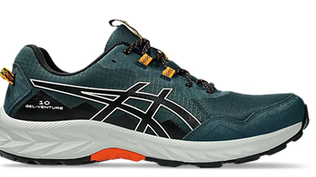 | 1011B967 | GEL-VENTURE 10 | 020 | Saxon Green/Black | 80.00 € | 40.00 € |  |  |  |  |  |  |  |  | 2 | 4 | 4 | 4 | 4 | 4 | 2 |  | 2 | 26
WOMEN | 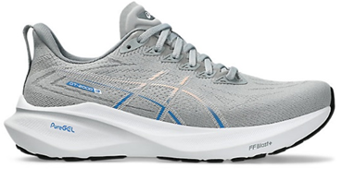 | 1012B666 | GT-2000 13 | 022 | Piedmont Grey/White | 160.00 € | 80.00 € |  |  |  | 1 | 2 | 2 | 0 | 4 | 0 | 1 |  |  |  |  |  |  |  | 10
MEN | 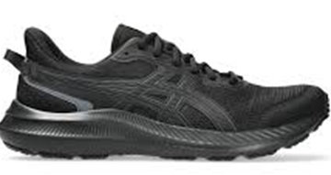 | 1011B963 | JOLT 5 | 002 | Black/Graphite Grey | 60.00 € | 30.00 € |  |  |  |  |  |  |  |  | 6 | 6 | 6 | 6 | 6 | 6 | 6 | 6 | 6 | 54
WOMEN | 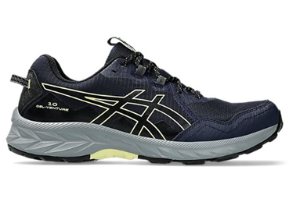 | 1012B757 | JOLT 5 | 500 | Midnight/Dark Pink Clay | 60.00 € | 30.00 € |  |  |  | 6 | 6 | 6 | 6 | 6 | 6 | 6 |  |  |  |  |  |  |  | 42
MEN | 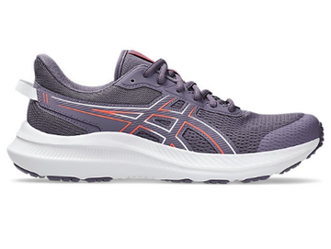 | 1011B967 | GEL-VENTURE 10 | 400 | Midnight/Black | 8.00 € | 40.00 € |  |  |  |  |  |  |  |  | 2 | 4 | 4 | 4 | 4 | 2 | 2 | 2 | 2 | 26
 |  |  |  |  |  |  |  |  |  |  |  |  |  |  |  |  |  |  |  |  |  |  |  |  | 1412

